charmast + veger 深圳仓实时库存
品牌 | Product Name | Product Picture | Product Link | QTY | Location | QTY | Location
VEGER | V1171 Black | 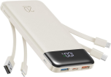 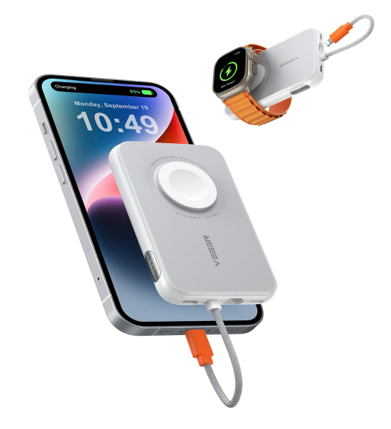 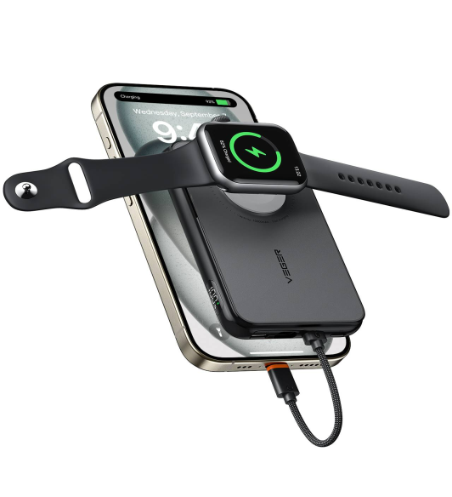 | https://www.amazon.com/dp/B0DDPS9XZJ | 546 | CA, City of Industry
VEGER | V1171 White | 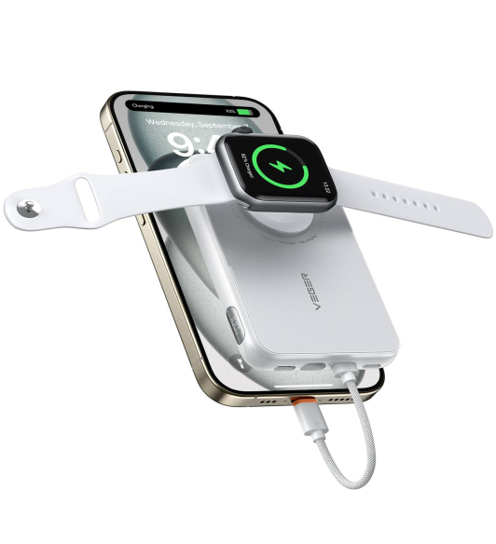 | https://www.amazon.com/dp/B0DDPCZV5Z | 960 | CA, City of Industry
VEGER | V1171 Clear Sky Blue | 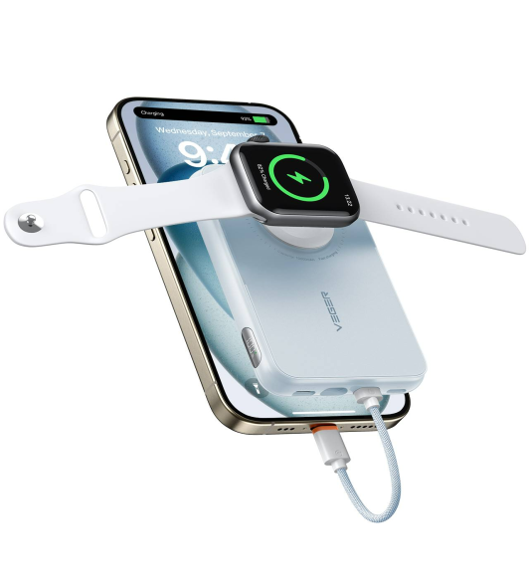 | https://www.amazon.com/dp/B0DDPM29QX | 270 | CA, City of Industry
VEGER | V1171 Misty Purple | 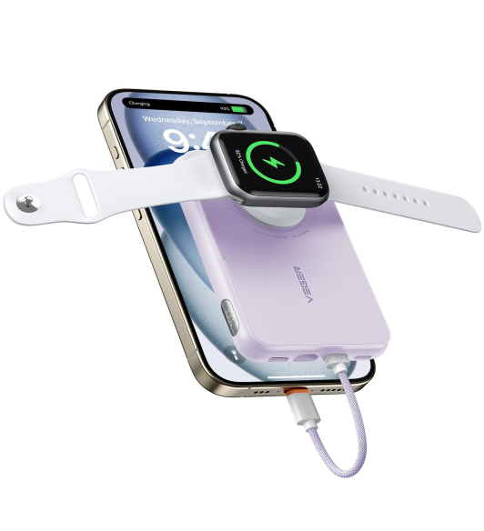 | https://www.amazon.com/dp/B0DDPS9Y5M | 904 | CA, City of Industry
VEGER | V1171 Gray Pink | 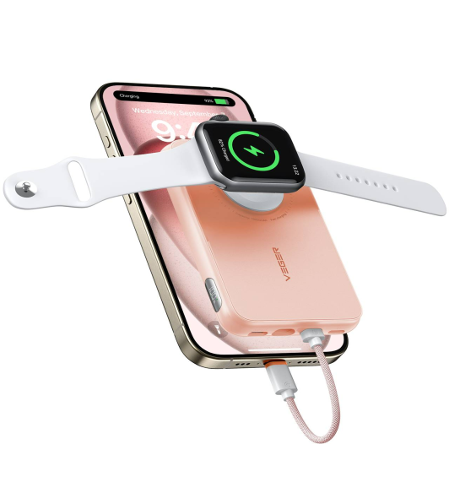 | https://www.amazon.com/dp/B0DDP7CM2P | 521 | CA, City of Industry | 1606 | Currier Rd，Walnut, CA 91789
VEGER | V1171 Yakawa Green | 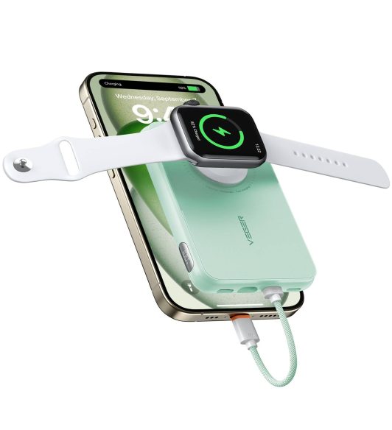 | https://www.amazon.com/dp/B0DDPGVJSF | 354 | CA, City of Industry | 1168 | Currier Rd，Walnut, CA 91789
VEGER | V1171 Yellowish | 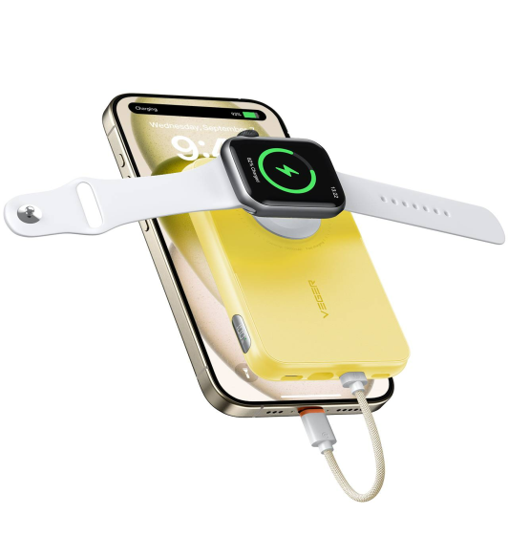 | https://www.amazon.com/dp/B0DDPBYR6R | 469 | CA, City of Industry
 |  |  |  | 4024

